API_07
Doc No |  |  |  |  |  | dev-app-XXXXXX-001 |  |  |  | Subsystem |  | Get XXX | Version | Ver | 0.5 | Created date | 2022-12-12
Name |  |  |  |  |  | Retrieve Snap Short |  |  |  | Method |  | /search/get-xxx | PIC | tattt |  | Updated date | 2023-01-06

 | Description

 |  | (Need QA) Initpage Retrieve Snap Short

 | Reference
QA ?
 |  | URL
 |  |  | /api//search/get-xxx

 |  | Method
 |  |  | POST

 |  | Request
 |  |  | Parameter Name |  |  |  | Required | Type | Explain |  | Notes
 |  |  | username |  |  |  | 〇 | String

 |  | Response
 |  |  | No | Tên paramater |  |  | Parent No | Type | Explain |  | Notes
 |  |  | 1 | success |  |  | - | String |  |  | true / false
 |  |  | 2 | status |  |  | - | int |  |  | 200, 500
 |  |  | 3 | message |  |  | - | String
 |  |  | 4 | data |  |  | - | Object
 |  |  | 5 | total_ldcm_vehicle |  |  | 4 | String
 |  |  | 6 | total_cal_lost_com |  |  | 4 | String

 |  |  | Sample
 |  |  | {
 |  |  |  | success: true,
 |  |  |  | status: 200
 |  |  |  | message: null
 |  |  |  | data: {
 |  |  |  |  | total_ldcm_vehicle : "9843243"
 |  |  |  |  | total_cal_lost_com : "214787"
 |  |  |  | }
 |  |  | }

API_07_Detaill
Doc No |  |  |  |  |  |  |  | dev-app-XXXXXX-001 |  | Subsystem | Get XXX | Version | Ver | 0.5 | Created date | 2022-12-12
Name |  |  |  |  |  |  |  | Retrieve Snap Short |  | Method | /search/get-xxx | PIC | tattt |  | Updated date | 2023-01-06

 | Detail

 |  | <(Need QA) Initpage Retrieve Snap Short >
QA ?
 |  |  | [01] | Search data with received parameters
 |  |  |  |  |  | FROM : ? |  |  | QA
 |  |  |  |  |  | WHERE : USERNAME = {username}

 |  |  |  |  |  | SELECT : ?
 |  |  |  | Case Not Found Data
 |  |  |  |  |  | Prepare data reponse
 |  |  |  |  |  |  | success: false,
 |  |  |  |  |  |  | status: 500
 |  |  |  |  |  |  | message: "Not Found Data"
 |  |  |  |  |  |  | data: {}
 |  |  |  |  |  | Next step [05]
 |  |  |  | Case Has Data
 |  |  |  |  |  | Next step [03]
 |  |  | [03] | Preparing data response
 |  |  |  |  |  | success: true,
 |  |  |  |  |  | status: 200
 |  |  |  |  |  | message: ""
 |  |  |  |  |  | data: { Fill data response with data from [1] area }
 |  |  |  |  | Next step [05]
 |  |  | [04] | Catch exception
 |  |  |  |  |  | success: false,
 |  |  |  |  |  | status: 500
 |  |  |  |  |  | message: ""
 |  |  |  |  |  | data: { }
 |  |  |  |  | Next step [05]
 |  |  | [05] | Return data response for client side

Batch_Job_Structure
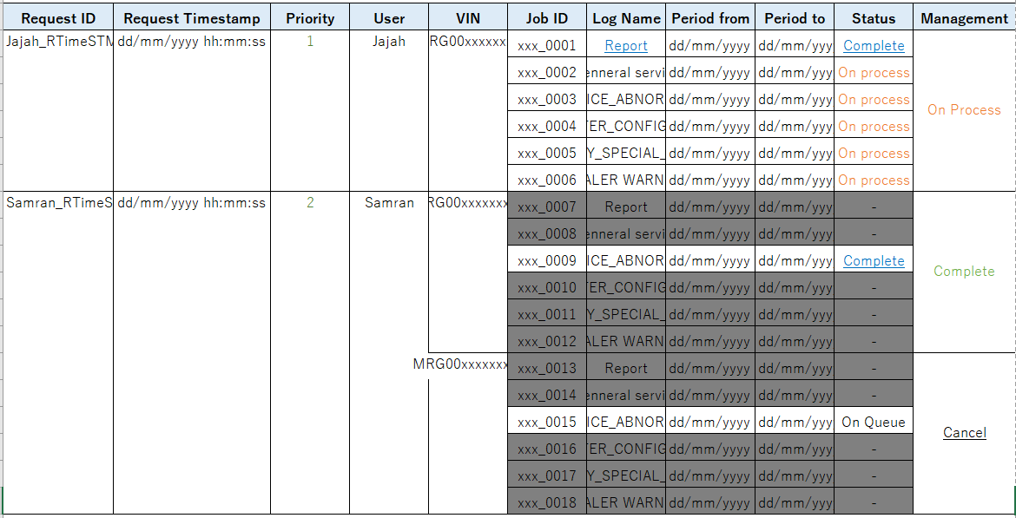
BATCH_JOB |  | Layout
Key / Index | Attribute
PK (Partial Key) | REQUEST_ID
create index | REQUEST_TIMESTAMP
 | PRIORITY
create index | USER
create index | VIN
SK (Sort key) | JOB_ID
 | LOG_NAME
 | PERIOD_FROM
 | PERIOD_TO
create index | STATUS
 | URLDOWNLOAD
 | MANAGEMENT

Example
DATA_REQUEST_ID_R1 |  | DATA_REQUEST_ID_R3
VIN = DATA_VIN1 |  | VIN = DATA_VIN2
Record 1 | Record 2 | Record 3 | Record 4
DATA_REQUEST_ID_R1 | DATA_REQUEST_ID_R1 | DATA_REQUEST_ID_R3 | DATA_REQUEST_ID_R3
DATA_REQUEST_TIMESTAMP_R1 | DATA_REQUEST_TIMESTAMP_R1 | DATA_REQUEST_TIMESTAMP_R3 | DATA_REQUEST_TIMESTAMP_R1
DATA_PRIORITY_R1 | DATA_PRIORITY_R1 | DATA_PRIORITY_R3 | DATA_PRIORITY_R1
DATA_USER_R1 | DATA_USER_R1 | DATA_USER_R3 | DATA_USER_R1
DATA_VIN1 | DATA_VIN1 | DATA_VIN2 | DATA_VIN2
DATA_JOB_ID_R1 | DATA_JOB_ID_R2 | DATA_JOB_ID_R3 | DATA_JOB_ID_R4
DATA_LOG_NAME_R1 | DATA_LOG_NAME_R2 | DATA_LOG_NAME_R3 | DATA_LOG_NAME_R4
DATA_PERIOD_FROM_R1 | DATA_PERIOD_FROM_R2 | DATA_PERIOD_FROM_R3 | DATA_PERIOD_FROM_R4
DATA_PERIOD_TO_R1 | DATA_PERIOD_TO_R2 | DATA_PERIOD_TO_R3 | DATA_PERIOD_TO_R4
DATA_STATUS_R1 | DATA_STATUS_R2 | DATA_STATUS_R3 | DATA_STATUS_R4
DATA_URLDOWNLOAD_R1 | DATA_URLDOWNLOAD_R2 | DATA_URLDOWNLOAD_R3 | DATA_URLDOWNLOAD_R4
DATA_MANAGEMENT_R1 | DATA_MANAGEMENT_R2 | DATA_MANAGEMENT_R3 | DATA_MANAGEMENT_R4

DATA_REQUEST_ID_R99
VIN_ID = VIN_ID_99
Record 1 | Record 2 | Record 3 | Record 4
DATA_REQUEST_ID_R99 | DATA_REQUEST_ID_R99 | DATA_REQUEST_ID_R99 | DATA_REQUEST_ID_R99
DATA_REQUEST_TIMESTAMP_R1 | DATA_REQUEST_TIMESTAMP_R1 | DATA_REQUEST_TIMESTAMP_R3 | DATA_REQUEST_TIMESTAMP_R1
DATA_PRIORITY_R1 | DATA_PRIORITY_R1 | DATA_PRIORITY_R3 | DATA_PRIORITY_R1
DATA_USER_R1 | DATA_USER_R1 | DATA_USER_R3 | DATA_USER_R1
VIN_ID_99 | VIN_ID_99 | VIN_ID_99 | VIN_ID_99
DATA_JOB_ID_R96 | DATA_JOB_ID_R97 | DATA_JOB_ID_R98 | DATA_JOB_ID_R99
DATA_LOG_NAME_R1 | DATA_LOG_NAME_R2 | DATA_LOG_NAME_R3 | DATA_LOG_NAME_R4
DATA_PERIOD_FROM_R1 | DATA_PERIOD_FROM_R2 | DATA_PERIOD_FROM_R3 | DATA_PERIOD_FROM_R4
DATA_PERIOD_TO_R1 | DATA_PERIOD_TO_R2 | DATA_PERIOD_TO_R3 | DATA_PERIOD_TO_R4
DATA_STATUS_R1 | DATA_STATUS_R2 | DATA_STATUS_R3 | DATA_STATUS_R4
DATA_URLDOWNLOAD_R1 | DATA_URLDOWNLOAD_R2 | DATA_URLDOWNLOAD_R3 | DATA_URLDOWNLOAD_R4
DATA_MANAGEMENT_R1 | DATA_MANAGEMENT_R2 | DATA_MANAGEMENT_R3 | DATA_MANAGEMENT_R4

DATA_REQUEST_ID_R1 |  | DATA_REQUEST_ID_R2
VIN = DATA_VIN1
Record 1 | Record 2 | Record 3 | Record 4
DATA_REQUEST_ID_R1 | DATA_REQUEST_ID_R1 | DATA_REQUEST_ID_R2 | DATA_REQUEST_ID_R2
DATA_REQUEST_TIMESTAMP_R1 | DATA_REQUEST_TIMESTAMP_R1 | DATA_REQUEST_TIMESTAMP_R3 | DATA_REQUEST_TIMESTAMP_R3
DATA_PRIORITY_R1 | DATA_PRIORITY_R1 | DATA_PRIORITY_R3 | DATA_PRIORITY_R1
DATA_USER_R1 | DATA_USER_R1 | DATA_USER_R3 | DATA_USER_R1
DATA_VIN1 | DATA_VIN1 | DATA_VIN1 | DATA_VIN1
DATA_JOB_ID_R1 | DATA_JOB_ID_R2 | DATA_JOB_ID_R3 | DATA_JOB_ID_R4
DATA_LOG_NAME_R1 | DATA_LOG_NAME_R2 | DATA_LOG_NAME_R3 | DATA_LOG_NAME_R4
DATA_PERIOD_FROM_R1 | DATA_PERIOD_FROM_R2 | DATA_PERIOD_FROM_R3 | DATA_PERIOD_FROM_R4
DATA_PERIOD_TO_R1 | DATA_PERIOD_TO_R2 | DATA_PERIOD_TO_R3 | DATA_PERIOD_TO_R4
DATA_STATUS_R1 | DATA_STATUS_R2 | DATA_STATUS_R3 | DATA_STATUS_R4
DATA_URLDOWNLOAD_R1 | DATA_URLDOWNLOAD_R2 | DATA_URLDOWNLOAD_R3 | DATA_URLDOWNLOAD_R4
DATA_MANAGEMENT_R1 | DATA_MANAGEMENT_R2 | DATA_MANAGEMENT_R3 | DATA_MANAGEMENT_R4

